XGB_tr_table
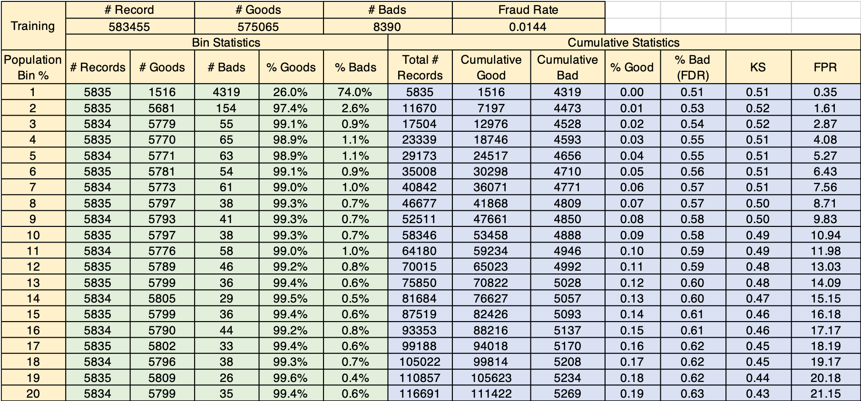
Training | # Record |  | # Goods |  | # Bads |  | Fraud Rate
 | 583455 |  | 575065 |  | 8390 |  | 0.0144
 | Bin Statistics |  |  |  |  | Cumulative Statistics
Population Bin % | # Records | # Goods | # Bads | % Goods | % Bads | Total # Records | Cumulative Good | Cumulative Bad | % Good | % Bad (FDR) | KS | FPR
1 | 5835 | 1516 | 4319 | 26.00% | 74.00% | 5835 | 1516 | 4319 | 0 | 0.51 | 0.51 | 0.35
2 | 5835 | 5681 | 154 | 97.40% | 2.60% | 11670 | 7197 | 4473 | 0.01 | 0.53 | 0.52 | 1.61
3 | 5834 | 5779 | 55 | 99.10% | 0.90% | 17504 | 12976 | 4528 | 0.02 | 0.54 | 0.52 | 2.87
4 | 5835 | 5770 | 65 | 98.90% | 1.10% | 23339 | 18746 | 4593 | 0.03 | 0.55 | 0.51 | 4.08
5 | 5834 | 5771 | 63 | 98.90% | 1.10% | 29173 | 24517 | 4656 | 0.04 | 0.55 | 0.51 | 5.27
6 | 5835 | 5781 | 54 | 99.10% | 0.90% | 35008 | 30298 | 4710 | 0.05 | 0.56 | 0.51 | 6.43
7 | 5834 | 5773 | 61 | 99.00% | 1.00% | 40842 | 36071 | 4771 | 0.06 | 0.57 | 0.51 | 7.56
8 | 5835 | 5797 | 38 | 99.30% | 0.70% | 46677 | 41868 | 4809 | 0.07 | 0.57 | 0.5 | 8.71
9 | 5834 | 5793 | 41 | 99.30% | 0.70% | 52511 | 47661 | 4850 | 0.08 | 0.58 | 0.5 | 9.83
10 | 5835 | 5797 | 38 | 99.30% | 0.70% | 58346 | 53458 | 4888 | 0.09 | 0.58 | 0.49 | 10.94
11 | 5834 | 5776 | 58 | 99.00% | 1.00% | 64180 | 59234 | 4946 | 0.1 | 0.59 | 0.49 | 11.98
12 | 5835 | 5789 | 46 | 99.20% | 0.80% | 70015 | 65023 | 4992 | 0.11 | 0.59 | 0.48 | 13.03
13 | 5835 | 5799 | 36 | 99.40% | 0.60% | 75850 | 70822 | 5028 | 0.12 | 0.6 | 0.48 | 14.09
14 | 5834 | 5805 | 29 | 99.50% | 0.50% | 81684 | 76627 | 5057 | 0.13 | 0.6 | 0.47 | 15.15
15 | 5835 | 5799 | 36 | 99.40% | 0.60% | 87519 | 82426 | 5093 | 0.14 | 0.61 | 0.46 | 16.18
16 | 5834 | 5790 | 44 | 99.20% | 0.80% | 93353 | 88216 | 5137 | 0.15 | 0.61 | 0.46 | 17.17
17 | 5835 | 5802 | 33 | 99.40% | 0.60% | 99188 | 94018 | 5170 | 0.16 | 0.62 | 0.45 | 18.19
18 | 5834 | 5796 | 38 | 99.30% | 0.70% | 105022 | 99814 | 5208 | 0.17 | 0.62 | 0.45 | 19.17
19 | 5835 | 5809 | 26 | 99.60% | 0.40% | 110857 | 105623 | 5234 | 0.18 | 0.62 | 0.44 | 20.18
20 | 5834 | 5799 | 35 | 99.40% | 0.60% | 116691 | 111422 | 5269 | 0.19 | 0.63 | 0.43 | 21.15

XGB_te_table
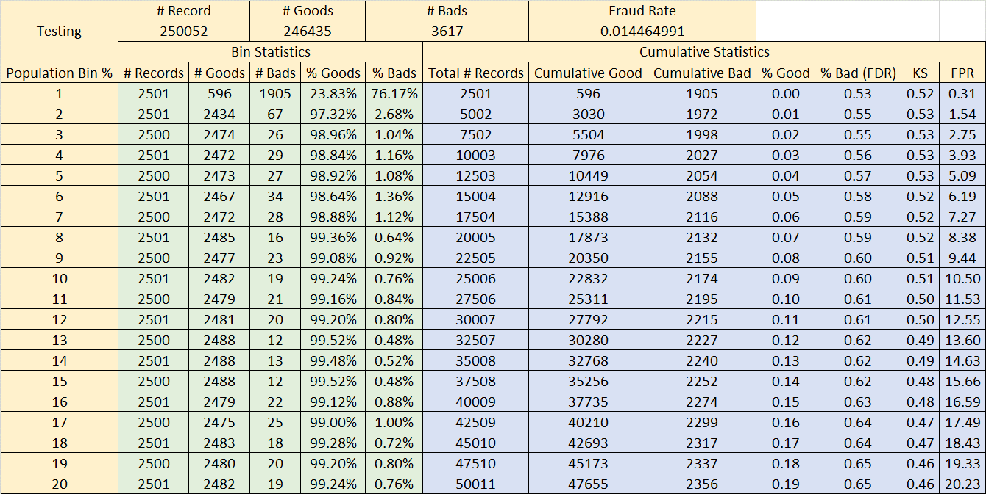
Testing | # Record |  | # Goods |  | # Bads |  | Fraud Rate
 | 250052 |  | 246435 |  | 3617 |  | 0.014464991282
 | Bin Statistics |  |  |  |  | Cumulative Statistics
Population Bin % | # Records | # Goods | # Bads | % Goods | % Bads | Total # Records | Cumulative Good | Cumulative Bad | % Good | % Bad (FDR) | KS | FPR
1 | 2501 | 596 | 1905 | 23.83% | 76.17% | 2501 | 596 | 1905 | 0.00 | 0.53 | 0.52 | 0.31
2 | 2501 | 2434 | 67 | 97.32% | 2.68% | 5002 | 3030 | 1972 | 0.01 | 0.55 | 0.53 | 1.54
3 | 2500 | 2474 | 26 | 98.96% | 1.04% | 7502 | 5504 | 1998 | 0.02 | 0.55 | 0.53 | 2.75
4 | 2501 | 2472 | 29 | 98.84% | 1.16% | 10003 | 7976 | 2027 | 0.03 | 0.56 | 0.53 | 3.93
5 | 2500 | 2473 | 27 | 98.92% | 1.08% | 12503 | 10449 | 2054 | 0.04 | 0.57 | 0.53 | 5.09
6 | 2501 | 2467 | 34 | 98.64% | 1.36% | 15004 | 12916 | 2088 | 0.05 | 0.58 | 0.52 | 6.19
7 | 2500 | 2472 | 28 | 98.88% | 1.12% | 17504 | 15388 | 2116 | 0.06 | 0.59 | 0.52 | 7.27
8 | 2501 | 2485 | 16 | 99.36% | 0.64% | 20005 | 17873 | 2132 | 0.07 | 0.59 | 0.52 | 8.38
9 | 2500 | 2477 | 23 | 99.08% | 0.92% | 22505 | 20350 | 2155 | 0.08 | 0.60 | 0.51 | 9.44
10 | 2501 | 2482 | 19 | 99.24% | 0.76% | 25006 | 22832 | 2174 | 0.09 | 0.60 | 0.51 | 10.50
11 | 2500 | 2479 | 21 | 99.16% | 0.84% | 27506 | 25311 | 2195 | 0.10 | 0.61 | 0.50 | 11.53
12 | 2501 | 2481 | 20 | 99.20% | 0.80% | 30007 | 27792 | 2215 | 0.11 | 0.61 | 0.50 | 12.55
13 | 2500 | 2488 | 12 | 99.52% | 0.48% | 32507 | 30280 | 2227 | 0.12 | 0.62 | 0.49 | 13.60
14 | 2501 | 2488 | 13 | 99.48% | 0.52% | 35008 | 32768 | 2240 | 0.13 | 0.62 | 0.49 | 14.63
15 | 2500 | 2488 | 12 | 99.52% | 0.48% | 37508 | 35256 | 2252 | 0.14 | 0.62 | 0.48 | 15.66
16 | 2501 | 2479 | 22 | 99.12% | 0.88% | 40009 | 37735 | 2274 | 0.15 | 0.63 | 0.48 | 16.59
17 | 2500 | 2475 | 25 | 99.00% | 1.00% | 42509 | 40210 | 2299 | 0.16 | 0.64 | 0.47 | 17.49
18 | 2501 | 2483 | 18 | 99.28% | 0.72% | 45010 | 42693 | 2317 | 0.17 | 0.64 | 0.47 | 18.43
19 | 2500 | 2480 | 20 | 99.20% | 0.80% | 47510 | 45173 | 2337 | 0.18 | 0.65 | 0.46 | 19.33
20 | 2501 | 2482 | 19 | 99.24% | 0.76% | 50011 | 47655 | 2356 | 0.19 | 0.65 | 0.46 | 20.23

XGB_vali_table
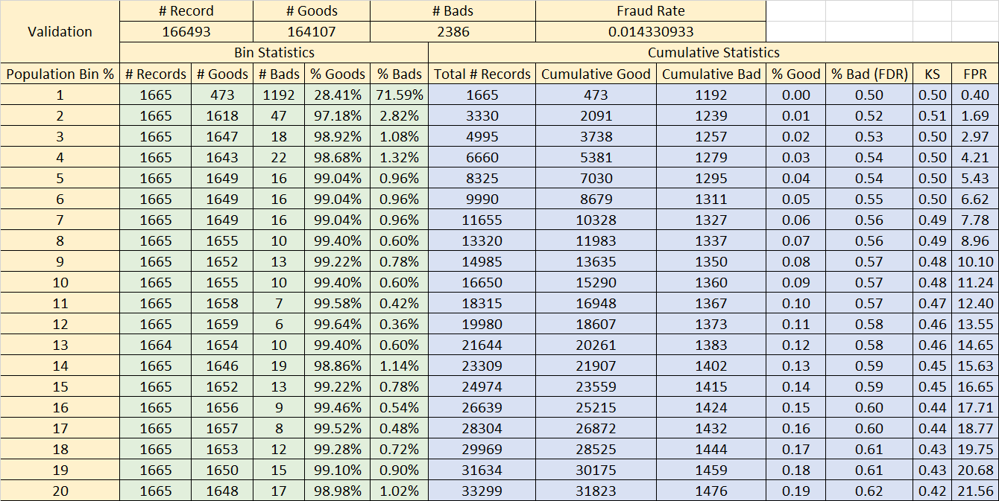
Validation | # Record |  | # Goods |  | # Bads |  | Fraud Rate
 | 166493 |  | 164107 |  | 2386 |  | 0.014330932832
 | Bin Statistics |  |  |  |  | Cumulative Statistics
Population Bin % | # Records | # Goods | # Bads | % Goods | % Bads | Total # Records | Cumulative Good | Cumulative Bad | % Good | % Bad (FDR) | KS | FPR
1 | 1665 | 473 | 1192 | 28.41% | 71.59% | 1665 | 473 | 1192 | 0.00 | 0.50 | 0.50 | 0.40
2 | 1665 | 1618 | 47 | 97.18% | 2.82% | 3330 | 2091 | 1239 | 0.01 | 0.52 | 0.51 | 1.69
3 | 1665 | 1647 | 18 | 98.92% | 1.08% | 4995 | 3738 | 1257 | 0.02 | 0.53 | 0.50 | 2.97
4 | 1665 | 1643 | 22 | 98.68% | 1.32% | 6660 | 5381 | 1279 | 0.03 | 0.54 | 0.50 | 4.21
5 | 1665 | 1649 | 16 | 99.04% | 0.96% | 8325 | 7030 | 1295 | 0.04 | 0.54 | 0.50 | 5.43
6 | 1665 | 1649 | 16 | 99.04% | 0.96% | 9990 | 8679 | 1311 | 0.05 | 0.55 | 0.50 | 6.62
7 | 1665 | 1649 | 16 | 99.04% | 0.96% | 11655 | 10328 | 1327 | 0.06 | 0.56 | 0.49 | 7.78
8 | 1665 | 1655 | 10 | 99.40% | 0.60% | 13320 | 11983 | 1337 | 0.07 | 0.56 | 0.49 | 8.96
9 | 1665 | 1652 | 13 | 99.22% | 0.78% | 14985 | 13635 | 1350 | 0.08 | 0.57 | 0.48 | 10.10
10 | 1665 | 1655 | 10 | 99.40% | 0.60% | 16650 | 15290 | 1360 | 0.09 | 0.57 | 0.48 | 11.24
11 | 1665 | 1658 | 7 | 99.58% | 0.42% | 18315 | 16948 | 1367 | 0.10 | 0.57 | 0.47 | 12.40
12 | 1665 | 1659 | 6 | 99.64% | 0.36% | 19980 | 18607 | 1373 | 0.11 | 0.58 | 0.46 | 13.55
13 | 1664 | 1654 | 10 | 99.40% | 0.60% | 21644 | 20261 | 1383 | 0.12 | 0.58 | 0.46 | 14.65
14 | 1665 | 1646 | 19 | 98.86% | 1.14% | 23309 | 21907 | 1402 | 0.13 | 0.59 | 0.45 | 15.63
15 | 1665 | 1652 | 13 | 99.22% | 0.78% | 24974 | 23559 | 1415 | 0.14 | 0.59 | 0.45 | 16.65
16 | 1665 | 1656 | 9 | 99.46% | 0.54% | 26639 | 25215 | 1424 | 0.15 | 0.60 | 0.44 | 17.71
17 | 1665 | 1657 | 8 | 99.52% | 0.48% | 28304 | 26872 | 1432 | 0.16 | 0.60 | 0.44 | 18.77
18 | 1665 | 1653 | 12 | 99.28% | 0.72% | 29969 | 28525 | 1444 | 0.17 | 0.61 | 0.43 | 19.75
19 | 1665 | 1650 | 15 | 99.10% | 0.90% | 31634 | 30175 | 1459 | 0.18 | 0.61 | 0.43 | 20.68
20 | 1665 | 1648 | 17 | 98.98% | 1.02% | 33299 | 31823 | 1476 | 0.19 | 0.62 | 0.42 | 21.56

